FY20 Sales Analysis
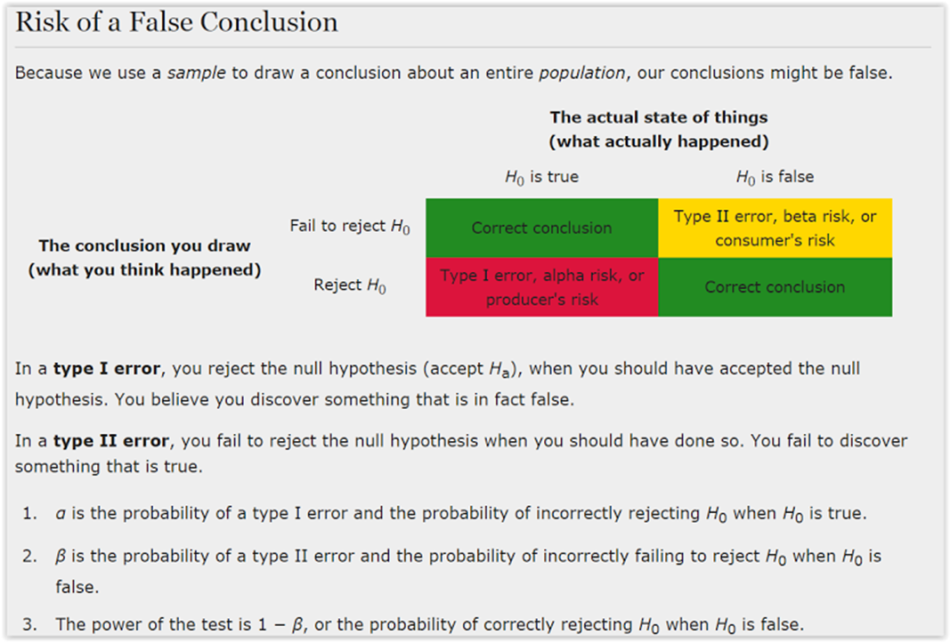
Defects | Defect Variables Description |  | Year | Month | Defects | Actual = Expected | Actual < Expected | Actual > Expected | (Actual vs Expeted) between -2 to +2 | FP | Eligible Employees | Failure Percentage( Defects vs Total No Eligible Employees | Revised (EE-FP)/EE
1 | X1 = Assigned Com Plan by Role |  | 2019 | Feb | 81 | 138 | 16 | 65 | 174 | 219 | 37% | 21%
2 | X2 = POD assignment |  | 2019 | Mar | 183 | 155 | 42 | 141 | 245 | 338 | 54% | 28%
3 | X3 = Account mapping |  | 2019 | Apr | 361 | 166 | 127 | 234 | 302 | 527 | 69% | 43%
4 | X4 = Invalid Account + Geo Tagging |  | 2019 | May | 416 | 115 | 94 | 322 | 210 | 531 | 78% | 60%
5 | X5 = Wrong Booking |  | 2019 | Jun | 429 | 110 | 106 | 323 | 201 | 539 | 80% | 63%
6 | X6 = No booking |  | 2019 | Jul | 455 | 91 | 151 | 304 | 182 | 546 | 83% | 67% | Baseline Data for FY20 Sales Commission Payout |  |  | Data Stratification Tree
7 | X7 = Target Number |  | 2019 | Aug | 465 | 82 | 144 | 321 | 180 | 547 | 85% | 67% | Defects and SQL |  |  | Questions about Process | Output | Stratification Factors (x variables) | Measurements
8 | X8 = Opportunity data |  | 2019 | Sep | 463 | 88 | 142 | 321 | 172 | 551 | 84% | 69% | Defect Opportunities | D | 12 | Is Y affected by invalid Role tagging | Y = Correct Monthly Commisions Payment = f(x) | X1 = Assigned Com Plan by Role | Differnce amount lost in Role assignment
9 | X9 = Commisson Percentage - Data Entry |  | 2019 | Oct | 471 | 83 | 149 | 322 | 164 | 554 | 85% | 70% | Units Produced | U | 6015 | Is Y affected by invalid POD tagging |  | X2 = POD assignment | How much lost in wrong Pod tagging
10 | X10 = Calculation Error |  | 2019 | Nov | 474 | 80 | 149 | 325 | 161 | 554 | 86% | 71% | Total Possible Defects | D*U | 72180 | Is Y affected by invalid Account tagging? |  | X3 = Account mapping | How much lost in wrong account tagging
11 | X11 = Journal Entry |  | 2020 | Dec | 480 | 74 | 149 | 331 | 154 | 554 | 87% | 72% | Actual Defects | A | 4802 | Is Y affected by Account & Geo tagging |  | X4 = Invalid Account + Geo Tagging | How much lost in wrong account + geo tagging
12 | X12= Incorrect Attainment |  | 2020 | Jan | 524 | 31 | 346 | 178 | 55 | 555 | 94% | 90% | Defects per Opportunity rate | A/DU | 0.066528124134 | Is Y affected by incorrect booking numbers |  | X5 = Wrong Booking | How many
 |  |  | 2020 | Feb |  |  |  |  |  |  |  |  | Defects per million opportunities | A * 1000000 | 66528 | Is Y affected by missed bookings? |  | X6 = No booking | How many
 |  |  | 2020 | March |  |  |  |  |  |  |  |  | SQL |  | 3.1 | Is Y affected by Incorrect target/quota allocation? |  | X7 = Target Number | How much
 |  |  |  |  |  |  |  |  |  |  |  |  |  |  |  | Is Y afected by incomplete/partial Opportunity data? |  | X8 = Opportunity data | Money lost in additional commision
Defect Opportunities | 12 |  |  | Total Defects | 4802 |  |  |  |  |  |  |  |  |  |  | Is Y affected by incorrect commision percentage allocation? |  | X9 = Commisson Percentage - Data Entry | Money lost due to incorrect percentage
 |  |  |  | Total Payouts |  |  |  |  |  | 6015 |  |  |  |  |  | Is Y affected logical error in calculation? |  | X10 = Calculation Error | Money lost due to calculation error
 |  |  |  |  |  |  |  |  |  |  |  |  |  |  |  | Is Y affected by Journal entry error? |  | X11 = Journal Entry | Money lost due to Journal entry error
 |  |  |  |  |  |  |  |  |  |  |  |  |  |  |  | Is Y affected by Incorrect attainment |  | X12= Incorrect Attainment | How many employees affected /Money lost due to Journal entry error
 |  |  |  |  |  |  |  |  |  |  |  |  |  |  |  |  | Y=F(X1,X2,X3,X4,X5,X6,X7,X8,X9,X10,X11,12)

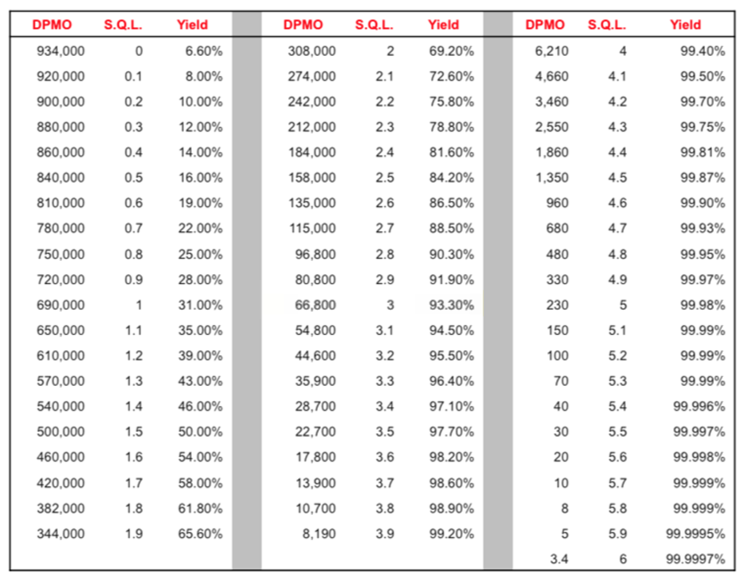
 |  | Total Payouts | 6015
 |  | Correct Payouts | 1213
 |  | Incorrect Payouts | 4802
 |  | More than Expected | 3187
 |  | Less than Expected | 1615

 | Ho (Null Hypothesis) | Commisions are paid correctly
 | Ha (Research Hypothesis) | Commissions are not paid correctly

 |  | Ho is True | Ho is False
 |  | Eligible | Not Eligible
 | Fail to Reject Ho | Correct Conclusion | InCorrect Conclusion
 | Reject Ha | 3187 | 2200

Charts
Commisions Paid | Eligible vs Actual
 | Actual | Expected
Feb | 138 | 219
Mar | 155 | 338
Apr | 166 | 527
May | 115 | 531
Jun | 110 | 539
Jul | 91 | 546
Aug | 82 | 547
Sep | 88 | 551
Oct | 83 | 554
Nov | 80 | 554
Dec | 74 | 554
Jan | 31 | 555
Feb
March
Year | Month | Actual | Expected
2019 | Feb | 138 | 219
2019 | Mar | 155 | 338
Trending in one direction
2019 | Apr | 166 | 527
2019 | May | 115 | 531
2019 | Jun | 110 | 539
2019 | Jul | 91 | 546
2019 | Aug | 82 | 547
2019 | Sep | 88 | 551
2019 | Oct | 83 | 554
2019 | Nov | 80 | 554
2020 | Dec | 74 | 554
2020 | Jan | 31 | 555
2020 | Feb
2020 | March

 |  |  |  |  |  |  |  |  |  | Data Stratification Tree
 |  |  |  |  |  |  |  |  |  | Questions about Process | Output | Stratification Factors (x variables) | Measurements
 |  |  |  |  |  |  |  |  |  | Is Y affected by invalid Role tagging | Y = Correct Monthly Commisions Payment = f(x) | X1 = Assigned Com Plan by Role | Differnce amount lost in Role assignment
 |  |  |  |  |  |  |  |  |  | Is Y affected by invalid POD tagging |  | X2 = POD assignment | How much lost in wrong Pod tagging
 |  |  |  |  |  |  |  |  |  | Is Y affected by invalid Account tagging? |  | X3 = Account mapping | How much lost in wrong account tagging
 |  |  |  |  |  |  |  |  |  | Is Y affected by Account & Geo tagging |  | X4 = Invalid Account + Geo Tagging | How much lost in wrong account + geo tagging
 |  |  |  |  |  |  |  |  |  | Is Y affected by incorrect booking numbers |  | X5 = Wrong Booking | How many missed out
 |  |  |  |  |  |  |  |  |  | Is Y affected by missed bookings? |  | X6 = No booking | How many missed out
 |  |  |  |  |  |  |  |  |  | Is Y affected by Incorrect target/quota allocation? |  | X7 = Target Number | Money lost in due to wrong qouta
 |  |  |  |  |  |  |  |  |  | Is Y afected by incomplete/partial Opportunity data? |  | X8 = Opportunity data | Money lost in additional commision
 |  |  |  |  |  |  |  |  |  | Is Y affected by incorrect commision percentage allocation? |  | X9 = Commisson Percentage - Data Entry | Money lost due to incorrect percentage
 |  |  |  |  |  |  |  |  |  | Is Y affected logical error in calculation? |  | X10 = Calculation Error | Money lost due to calculation error
 |  |  |  |  |  |  |  |  |  | Is Y affected by Journal entry error? |  | X11 = Journal Entry | Money lost due to Journal entry error
 |  |  |  |  |  |  |  |  |  | Is Y affected by Incorrect attainment |  | X12= Incorrect Attainment | How many employees affected /Money lost due to Journal entry error
 |  |  |  |  |  |  |  |  |  |  | Y=F(X1,X2,X3,X4,X5,X6,X7,X8,X9,X10,X11,12)

 | Year | Month | Commision Plan | POD Changes | Account Mapping | Missed/Wrong Bookings | Target/Quota | Incorrect Attainment | Failures
 | 2019 | February | 6 | 24 | 16 | 11 | 3 | 4 | 9
 | 2019 | March | 9 | 7 | 5 | 3 | 6 | 5 | 28
 | 2019 | April | 12 | 0 | 13 | 21 | 7 | 0 | 49
 | 2019 | May | 7 | 12 | 9 | 24 | 0 | 0 | 50
 | 2019 | June | 13 | 3 | 2 | 13 | 22 | 11 | 64
 | 2019 | July | 12 | 9 | 4 | 19 | 12 | 0 | 56
 | 2019 | August | 2 | 0 | 0 | 9 | 0 | 3 | 14
 | 2019 | September | 5 | 18 | 14 | 19 | 21 | 3 | 78
 | 2019 | October | 0 | 0 | 0 | 8 | 7 | 1 | 16
 | 2019 | November | 21 | 55 | 33 | 13 | 22 | 7 | 139
 | 2019 | December | 3 | 2 | 1 | 8 | 9 | 1 | 24
 | 2020 | January | 6 | 24 | 16 | 11 | 3 | 4 | 64
 | 2020 | February

